Navigation
SmartPLS report
Please cite the use of SmartPLS: Ringle, C. M., Wende, S., and Becker, J.-M. 2024. "SmartPLS 4." Bönningstedt: SmartPLS, https://www.smartpls.com.
 | complete
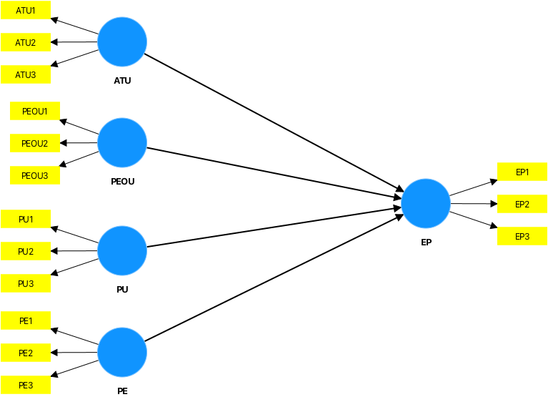
Final results
Path coefficients
Total effects
Outer weights
Latent variables
Performance

Quality criteria
Importance-performance map [EP] (constructs)
Importance-performance map [EP] (indicators)

Algorithm
Setting
Execution log

Model and data
Inner model
Outer model
Indicator data (original)
Indicator data (standardized)
Indicator data (rescaled)

complete Charts
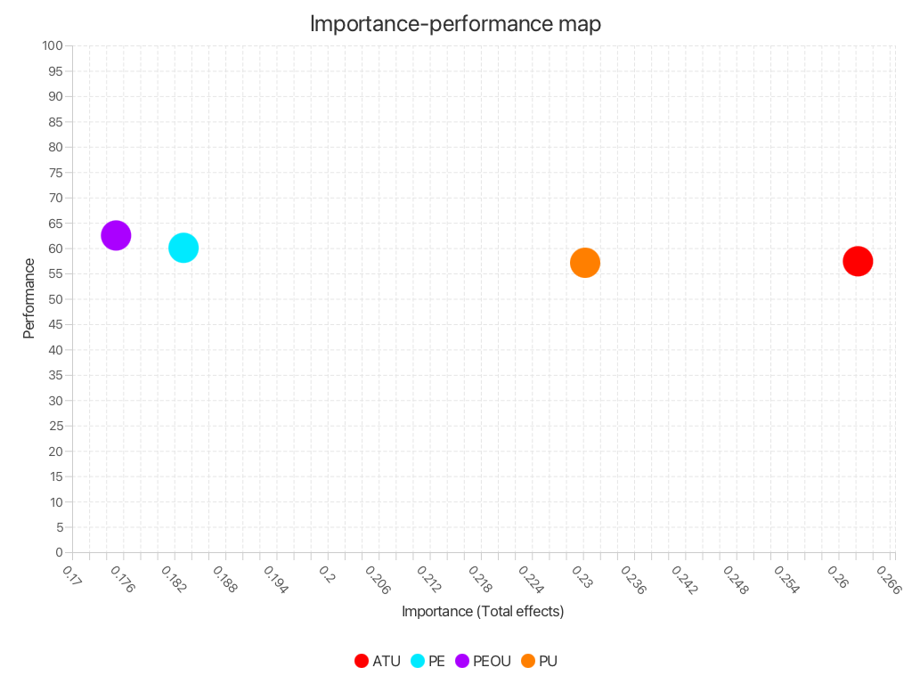
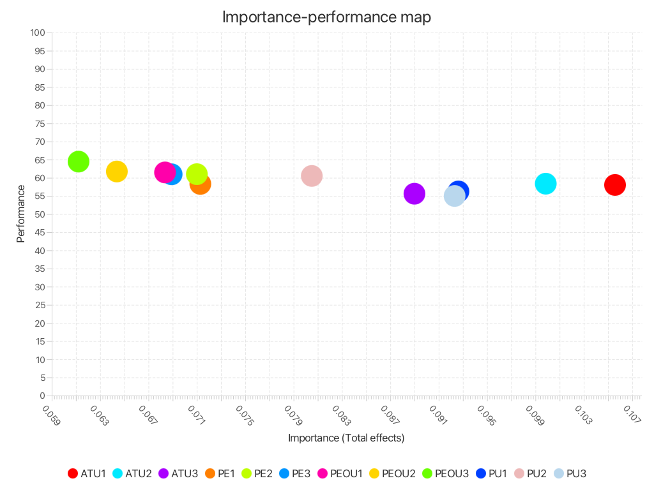
SmartPLS report
Please cite the use of SmartPLS: Ringle, C. M., Wende, S., and Becker, J.-M. 2024. "SmartPLS 4." Bönningstedt: SmartPLS, https://www.smartpls.com.

